RAWData
ID | Interests | How would you rate your Information Visualization skills? | How would you rate your statistical skills? | How would you rate your mathematics skills? | How would you rate your drawing and artistic skills? | How would you rate your computer usage skills? | How would you rate your programming skills? | How would you rate your computer graphics programming skills? | How would you rate your human-computer interaction programming skills? | How would you rate your user experience evaluation skills? | Visualization | Math and statistics | Artistic skills | Programming | HCI Evaluation | Group | Max points | Total Points | Total Percent
1 | Design,Photography,Sports | 6 | 5 | 5 | 6 | 8 | 5 | 5 | 6 | 7 | 6 | 5.00 | 6 | 5.33 | 7 | 2 | 90 | 53 | 58.89%
2 |  | 4 | 3 | 5 | 3 | 8 | 6 | 3 | 4 | 4 | 4 | 4.00 | 3 | 4.33 | 4 | 1 | 90 | 40 | 44.44%
3 |  | 2 | 3 | 3 | 5 | 6 | 3 | 2 | 2 | 7 | 2 | 3.00 | 5 | 2.33 | 7 | 4 | 90 | 33 | 36.67%
4 | Interaction Design,Computer Graphics,Visualization | 3 | 4 | 6 | 3 | 8 | 5 | 3 | 8 | 7 | 3 | 5.00 | 3 | 5.33 | 7 | 2 | 90 | 47 | 52.22%
5 | Computer Graphics,Visualization | 4 | 5 | 6 | 7 | 9 | 5 | 3 | 8 | 5 | 4 | 5.50 | 7 | 5.33 | 5 | 1 | 90 | 52 | 57.78%
6 | Music,Games | 3 | 5 | 7 | 4 | 8 | 7 | 4 | 2 | 5 | 3 | 6.00 | 4 | 4.33 | 5 | 1 | 90 | 45 | 50.00%
7 | Books,Sports | 2 | 1 | 3 | 4 | 7 | 7 | 3 | 3 | 2 | 2 | 2.00 | 4 | 4.33 | 2 | 7 | 90 | 32 | 35.56%
8 | Music,Movies | 3 | 3 | 5 | 7 | 5 | 5 | 3 | 4 | 5 | 3 | 4.00 | 7 | 4.00 | 5 | 5 | 90 | 40 | 44.44%
9 |  | 2 | 3 | 6 | 7 | 8 | 7 | 7 | 6 | 7 | 2 | 4.50 | 7 | 6.67 | 7 | 4 | 90 | 53 | 58.89%
10 | Sports,Games,Travelling | 6 | 5 | 5 | 4 | 8 | 8 | 6 | 7 | 5 | 6 | 5.00 | 4 | 7.00 | 5 | 1 | 90 | 54 | 60.00%
11 | Math,Physics,Music | 6 | 5 | 10 | 3 | 8 | 2 | 3 | 5 | 2 | 6 | 7.50 | 3 | 3.33 | 2 | 2 | 90 | 44 | 48.89%
12 | Music,Books,Arts,Movies,Sports | 6 | 4 | 2 | 8 | 9 | 5 | 1 | 5 | 7 | 6 | 3.00 | 8 | 3.67 | 7 | 3 | 90 | 47 | 52.22%
13 | Academia | 6 | 7 | 7 | 9 | 10 | 8 | 7 | 8 | 9 | 6 | 7.00 | 9 | 7.67 | 9 | 5 | 90 | 71 | 78.89%
14 |  | 2 | 6 | 6 | 6 | 8 | 5 | 4 | 7 | 9 | 2 | 6.00 | 6 | 5.33 | 9 | 7 | 90 | 53 | 58.89%
15 | Photography,Arts | 5 | 6 | 6 | 9 | 10 | 8 | 7 | 6 | 9 | 5 | 6.00 | 9 | 7.00 | 9 | 8 | 90 | 66 | 73.33%
16 | Design | 2 | 5 | 7 | 6 | 8 | 7 | 6 | 8 | 6 | 2 | 6.00 | 6 | 7.00 | 6 | 8 | 90 | 55 | 61.11%
17 | Music,Design,Technology | 8 | 9 | 9 | 7 | 10 | 9 | 7 | 8 | 10 | 8 | 9.00 | 7 | 8.00 | 10 | 4 | 90 | 77 | 85.56%
18 | Interaction Design,Sports | 1 | 3 | 3 | 5 | 9 | 4 | 1 | 1 | 8 | 1 | 3.00 | 5 | 2.00 | 8 | 1 | 90 | 35 | 38.89%
19 | Web,Interaction Design,Human Computer Interaction | 3 | 3 | 4 | 6 | 9 | 5 | 3 | 5 | 6 | 3 | 3.50 | 6 | 4.33 | 6 | 2 | 90 | 44 | 48.89%
20 | Theatre,Design,Music | 5 | 3 | 3 | 9 | 7 | 4 | 3 | 5 | 10 | 5 | 3.00 | 9 | 4.00 | 10 | 6 | 90 | 49 | 54.44%
21 | Design,Arts | 3 | 1 | 1 | 3 | 7 | 1 | 2 | 1 | 1 | 3 | 1.00 | 3 | 1.33 | 1 | 4 | 90 | 20 | 22.22%
22 | Games,Travelling,Sports | 3 | 2 | 6 | 4 | 9 | 5 | 3 | 6 | 6 | 3 | 4.00 | 4 | 4.67 | 6 | 7 | 90 | 44 | 48.89%
23 | Design,Sports | 3 | 4 | 5 | 7 | 8 | 3 | 2 | 3 | 6 | 3 | 4.50 | 7 | 2.67 | 6 | 3 | 90 | 41 | 45.56%
24 | Sports,Photography | 5 | 5 | 6 | 4 | 8 | 7 | 6 | 5 | 7 | 5 | 5.50 | 4 | 6.00 | 7 | 3 | 90 | 53 | 58.89%
25 | Sports,Games | 3 | 2 | 3 | 3 | 5 | 5 | 3 | 3 | 2 | 3 | 2.50 | 3 | 3.67 | 2 | 5 | 90 | 29 | 32.22%
26 | Sports,Languages | 4 | 4 | 5 | 5 | 7 | 6 | 4 | 7 | 5 | 4 | 4.50 | 5 | 5.67 | 5 | 6 | 90 | 47 | 52.22%
27 | Sports,Games | 4 | 5 | 5 | 6 | 7 | 5 | 2 | 6 | 5 | 4 | 5.00 | 6 | 4.33 | 5 | 5 | 90 | 45 | 50.00%
28 | Coding,Games | 5 | 7 | 6 | 4 | 7 | 6 | 4 | 4 | 7 | 5 | 6.50 | 4 | 4.67 | 7 | 4 | 90 | 50 | 55.56%
29 | Books,Travelling | 3 | 5 | 5 | 4 | 8 | 5 | 2 | 7 | 6 | 3 | 5.00 | 4 | 4.67 | 6 | 1 | 90 | 45 | 50.00%
30 | Web,Arts,Travelling,Sports,Music,Games | 8 | 3 | 5 | 9 | 9 | 9 | 5 | 4 | 4 | 8 | 4.00 | 9 | 6.00 | 4 | 6 | 90 | 56 | 62.22%
31 | Sports,Games,Movies | 5 | 8 | 9 | 3 | 9 | 7 | 2 | 6 | 7 | 5 | 8.50 | 3 | 5.00 | 7 | 6 | 90 | 56 | 62.22%
32 | Programming,Music,Human Computer Interaction | 7 | 7 | 8 | 3 | 9 | 10 | 9 | 10 | 7 | 7 | 7.50 | 3 | 9.67 | 7 | 3 | 90 | 70 | 77.78%
33 | Artifical Intelligence,Human Computer Interaction,Travelling,Books | 3 | 5 | 6 | 2 | 8 | 8 | 2 | 6 | 2 | 3 | 5.50 | 2 | 5.33 | 2 | 3 | 90 | 42 | 46.67%
34 | Science,IT,Sports | 4 | 4 | 8 | 4 | 7 | 4 | 9 | 7 | 4 | 4 | 6.00 | 4 | 6.67 | 4 | 5 | 90 | 51 | 56.67%
35 |  | 4 | 5 | 7 | 4 | 7 | 8 | 6 | 4 | 1 | 4 | 6.00 | 4 | 6.00 | 1 | 2 | 90 | 46 | 51.11%
36 | Human Computer Interaction,Sports,Food | 4 | 3 | 5 | 3 | 7 | 8 | 4 | 7 | 7 | 4 | 4.00 | 3 | 6.33 | 7 | 5 | 90 | 48 | 53.33%
37 | Music,Food | 3 | 3 | 5 | 8 | 7 | 2 | 4 | 3 | 6 | 3 | 4.00 | 8 | 3.00 | 6 | 2 | 90 | 41 | 45.56%
38 | Graphic Design,Interaction Design | 1 | 2 | 4 | 7 | 7 | 5 | 5 | 4 | 7 | 1 | 3.00 | 7 | 4.67 | 7 | 6 | 90 | 42 | 46.67%
39 | Entrepreneur,Interaction Design,Sports | 6 | 5 | 5 | 7 | 6 | 2 | 1 | 2 | 8 | 6 | 5.00 | 7 | 1.67 | 8 | 7 | 90 | 42 | 46.67%
40 | Music,Travelling,Photography | 4 | 4 | 5 | 2 | 10 | 5 | 1 | 3 | 3 | 4 | 4.50 | 2 | 3.00 | 3 | 8 | 90 | 37 | 41.11%
41 | Travelling,Games,Music | 6 | 4 | 2 | 4 | 8 | 7 | 6 | 5 | 5 | 6 | 3.00 | 4 | 6.00 | 5 | 8 | 90 | 47 | 52.22%
42 | Programming,Sports,Food,Games | 5 | 4 | 4 | 2 | 8 | 9 | 8 | 6 | 3 | 5 | 4.00 | 2 | 7.67 | 3 | 6 | 90 | 49 | 54.44%
43 | Philosophy,Prototyping,Games | 7 | 8 | 8 | 3 | 7 | 8 | 7 | 8 | 7 | 7 | 8.00 | 3 | 7.67 | 7 | 7 | 90 | 63 | 70.00%
44 |  | 1 | 4 | 4 | 3 | 5 | 4 | 2 | 2 | 6 | 1 | 4.00 | 3 | 2.67 | 6 | 8 | 90 | 31 | 34.44%
45 | Sports,Graphic Design,Human Computer Interaction,User Experience Design | 6 | 8 | 4 | 7 | 8 | 5 | 5 | 5 | 5 | 6 | 6.00 | 7 | 5.00 | 5 | 7 | 90 | 53 | 58.89%
46 | Computer Graphics,Science,Books | 1 | 3 | 3 | 1 | 7 | 3 | 3 | 3 | 3 | 1 | 3.00 | 1 | 3.00 | 3 | 3 | 90 | 27 | 30.00%

50th Percentile |  | 4 | 4 | 5 | 4 | 8 | 5 | 3.5 | 5 | 6 | 4 | 4.75 | 4 | 4.83 | 6
85th Percentile |  | 6 | 6.95 | 7 | 7 | 9 | 8 | 7 | 7.95 | 7.95 | 6 | 6.47 | 7 | 7 | 7.95

 |  |  |  |  |  |  |  |  |  |  |  | Group Skills (Average)
 |  |  |  |  |  |  |  |  |  | Group | Visualization | Math | Artistic | Programming | HCI
 |  |  |  |  |  |  |  |  | x6 | 1 | 3.50 | 4.75 | 4.50 | 4.61 | 5.50
 |  |  |  |  |  |  |  |  | x6 | 2 | 4.17 | 5.17 | 5.00 | 4.56 | 4.83
 |  |  |  |  |  |  |  |  | x6 | 3 | 4.17 | 4.83 | 4.17 | 5.06 | 5.33
 |  |  |  |  |  |  |  |  | x5 | 4 | 4.00 | 4.80 | 4.33 | 4.60 | 6.40
 |  |  |  |  |  |  |  |  | x6 | 5 | 4.00 | 4.75 | 5.33 | 5.44 | 5.33
 |  |  |  |  |  |  |  |  | x6 | 6 | 4.67 | 4.50 | 5.83 | 5.50 | 6.00
 |  |  |  |  |  |  |  |  | x6 | 7 | 4.33 | 5.17 | 5.17 | 4.78 | 6.17
 |  |  |  |  |  |  |  |  | x5 | 8 | 3.60 | 4.70 | 4.00 | 5.13 | 4.83

Group 8

Graphs
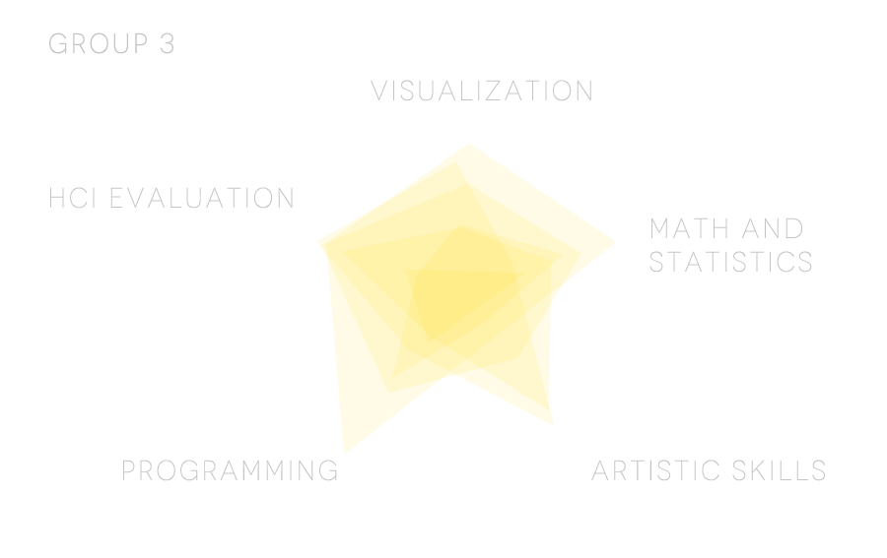
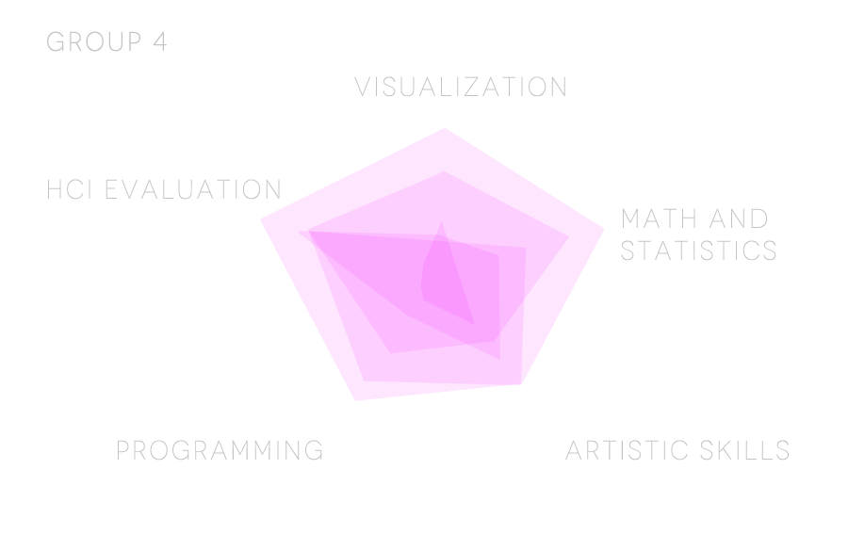
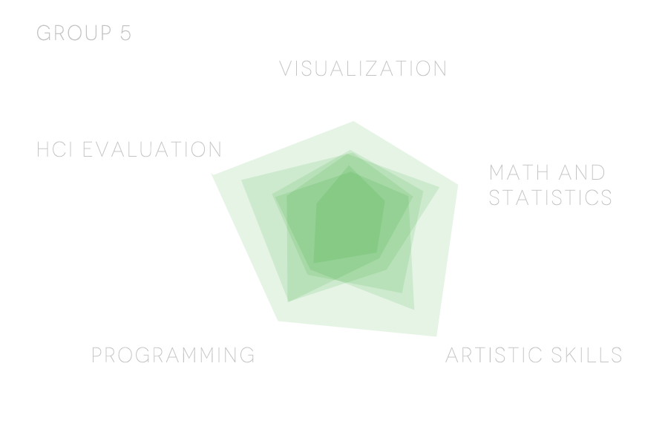
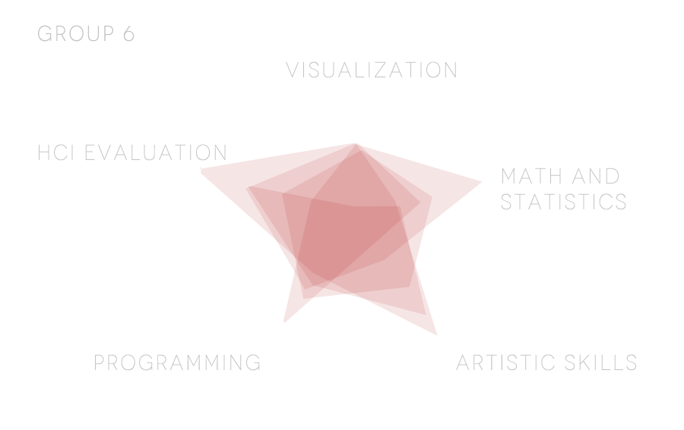
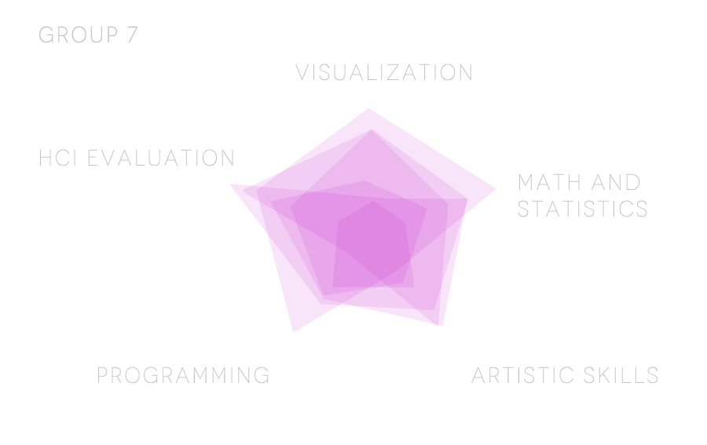
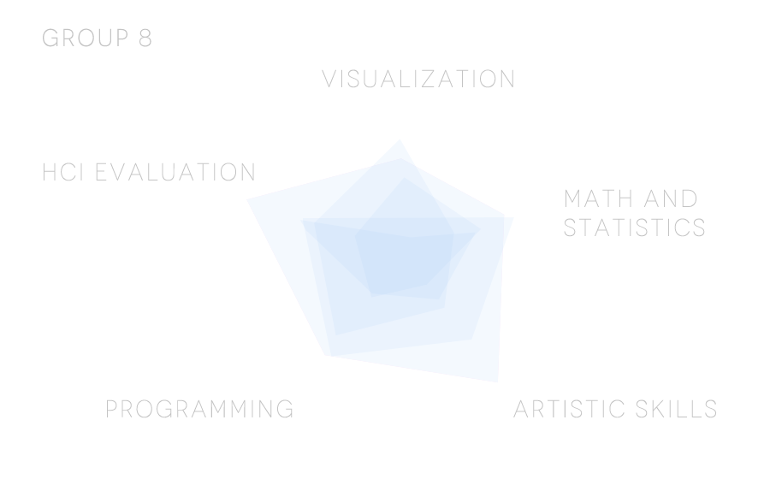
ID | Interests | Visualization | Math and statistics | Artistic skills | Programming | HCI Evaluation | Group
1 | Design,Photography,Sports | 6 | 5.00 | 6 | 5.33 | 7 | 2
2 |  | 4 | 4.00 | 3 | 4.33 | 4 | 1
3 |  | 2 | 3.00 | 5 | 2.33 | 7 | 4
4 | Interaction Design,Computer Graphics,Visualization | 3 | 5.00 | 3 | 5.33 | 7 | 2
5 | Computer Graphics,Visualization | 4 | 5.50 | 7 | 5.33 | 5 | 1
6 | Music,Games | 3 | 6.00 | 4 | 4.33 | 5 | 1
7 | Books,Sports | 2 | 2.00 | 4 | 4.33 | 2 | 7
8 | Music,Movies | 3 | 4.00 | 7 | 4.00 | 5 | 5
9 |  | 2 | 4.50 | 7 | 6.67 | 7 | 4
10 | Sports,Games,Travelling | 6 | 5.00 | 4 | 7.00 | 5 | 1
11 | Math,Physics,Music | 6 | 7.50 | 3 | 3.33 | 2 | 2
12 | Music,Books,Arts,Movies,Sports | 6 | 3.00 | 8 | 3.67 | 7 | 3
13 | Academia | 6 | 7.00 | 9 | 7.67 | 9 | 5
14 |  | 2 | 6.00 | 6 | 5.33 | 9 | 7
15 | Photography,Arts | 5 | 6.00 | 9 | 7.00 | 9 | 8
16 | Design | 2 | 6.00 | 6 | 7.00 | 6 | 8
17 | Music,Design,Technology | 8 | 9.00 | 7 | 8.00 | 10 | 4
18 | Interaction Design,Sports | 1 | 3.00 | 5 | 2.00 | 8 | 1
19 | Web,Interaction Design,Human Computer Interaction | 3 | 3.50 | 6 | 4.33 | 6 | 2
20 | Theatre,Design,Music | 5 | 3.00 | 9 | 4.00 | 10 | 6
21 | Design,Arts | 3 | 1.00 | 3 | 1.33 | 1 | 4
22 | Games,Travelling,Sports | 3 | 4.00 | 4 | 4.67 | 6 | 7
23 | Design,Sports | 3 | 4.50 | 7 | 2.67 | 6 | 3
24 | Sports,Photography | 5 | 5.50 | 4 | 6.00 | 7 | 3
25 | Sports,Games | 3 | 2.50 | 3 | 3.67 | 2 | 5
26 | Sports,Languages | 4 | 4.50 | 5 | 5.67 | 5 | 6
27 | Sports,Games | 4 | 5.00 | 6 | 4.33 | 5 | 5
28 | Coding,Games | 5 | 6.50 | 4 | 4.67 | 7 | 4
29 | Books,Travelling | 3 | 5.00 | 4 | 4.67 | 6 | 1
30 | Web,Arts,Travelling,Sports,Music,Games | 8 | 4.00 | 9 | 6.00 | 4 | 6
31 | Sports,Games,Movies | 5 | 8.50 | 3 | 5.00 | 7 | 6
32 | Programming,Music,Human Computer Interaction | 7 | 7.50 | 3 | 9.67 | 7 | 3
33 | Artifical Intelligence,Human Computer Interaction,Travelling,Books | 3 | 5.50 | 2 | 5.33 | 2 | 3
34 | Science,IT,Sports | 4 | 6.00 | 4 | 6.67 | 4 | 5
35 |  | 4 | 6.00 | 4 | 6.00 | 1 | 2
36 | Human Computer Interaction,Sports,Food | 4 | 4.00 | 3 | 6.33 | 7 | 5
37 | Music,Food | 3 | 4.00 | 8 | 3.00 | 6 | 2
38 | Graphic Design,Interaction Design | 1 | 3.00 | 7 | 4.67 | 7 | 6
39 | Entrepreneur,Interaction Design,Sports | 6 | 5.00 | 7 | 1.67 | 8 | 7
40 | Music,Travelling,Photography | 4 | 4.50 | 2 | 3.00 | 3 | 8
41 | Travelling,Games,Music | 6 | 3.00 | 4 | 6.00 | 5 | 8
42 | Programming,Sports,Food,Games | 5 | 4.00 | 2 | 7.67 | 3 | 6
43 | Philosophy,Prototyping,Games | 7 | 8.00 | 3 | 7.67 | 7 | 7
44 |  | 1 | 4.00 | 3 | 2.67 | 6 | 8
45 | Sports,Graphic Design,Human Computer Interaction,User Experience Design | 6 | 6.00 | 7 | 5.00 | 5 | 7
46 | Computer Graphics,Science,Books | 1 | 3.00 | 1 | 3.00 | 3 | 3

50th Percentile |  | 4 | 4.75 | 4 | 4.83 | 6
85th Percentile |  | 6 | 6.47 | 7 | 7 | 7.95

 |  |  |  |  | Group Skills (Average)
 |  |  | Group | Visualization | Math | Artistic | Programming | HCI
 |  | x6 | 1 | 3.50 | 4.75 | 4.50 | 4.61 | 5.50
 |  | x6 | 2 | 4.17 | 5.17 | 5.00 | 4.56 | 4.83
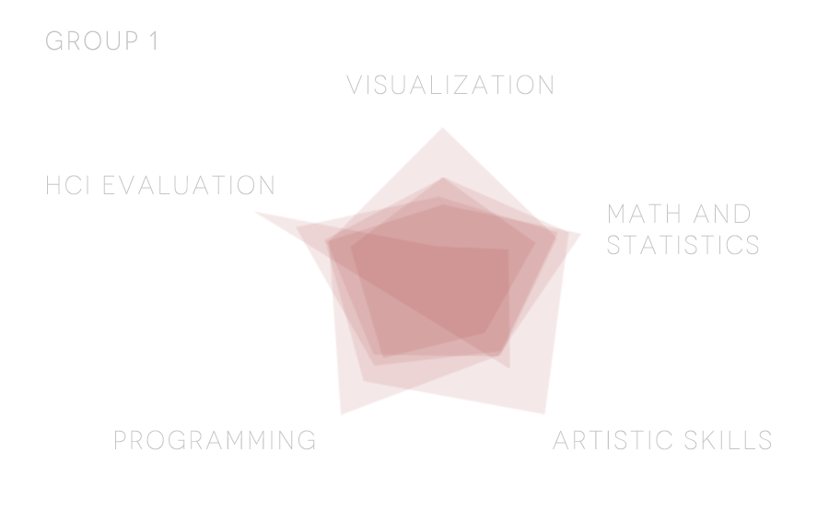
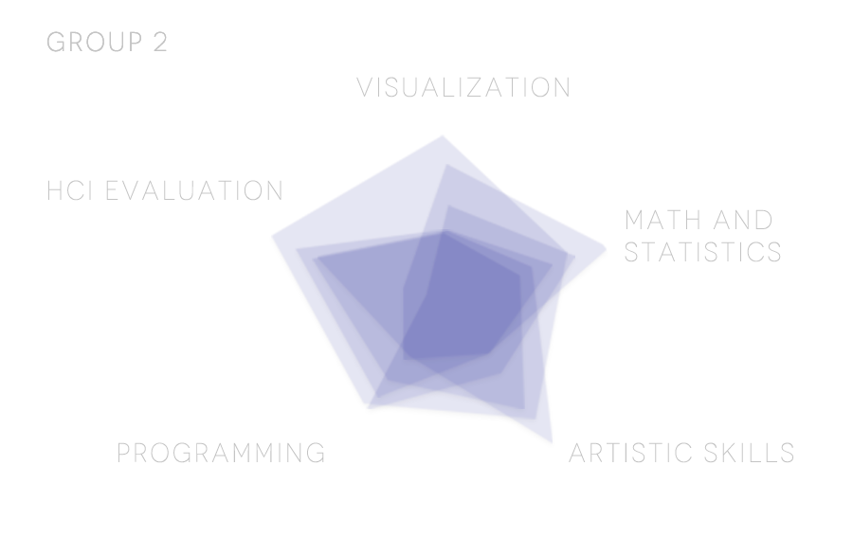
 |  | x6 | 3 | 4.17 | 4.83 | 4.17 | 5.06 | 5.33
 |  | x5 | 4 | 4.00 | 4.80 | 4.33 | 4.60 | 6.40
 |  | x6 | 5 | 4.00 | 4.75 | 5.33 | 5.44 | 5.33
 |  | x6 | 6 | 4.67 | 4.50 | 5.83 | 5.50 | 6.00
 |  | x6 | 7 | 4.33 | 5.17 | 5.17 | 4.78 | 6.17
 |  | x5 | 8 | 3.60 | 4.70 | 4.00 | 5.13 | 4.83

